Sheet1
Objective

To study what factors strongly contribute to the presence or absence of Heart Disease in a patient

To Predict the probability of heart Disease in a patient

Logistic Regression
Model Equation
With all IDV's

Model Summary(All variables)
Model Validation : ROCR Curve

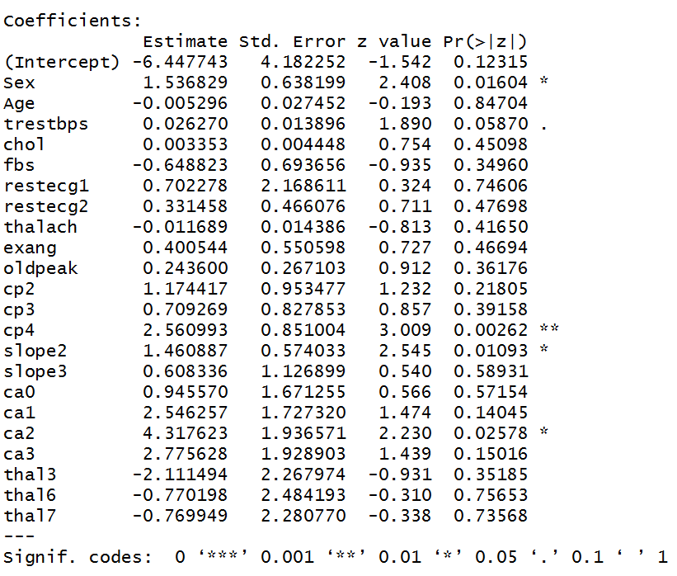
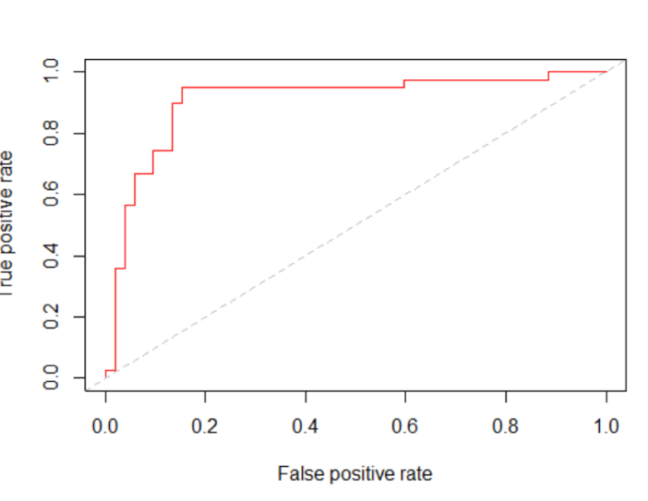

Best model Equation
With significant IDV's

Best model summary statistics(with significant variables)
Best model Validation ROCR curve

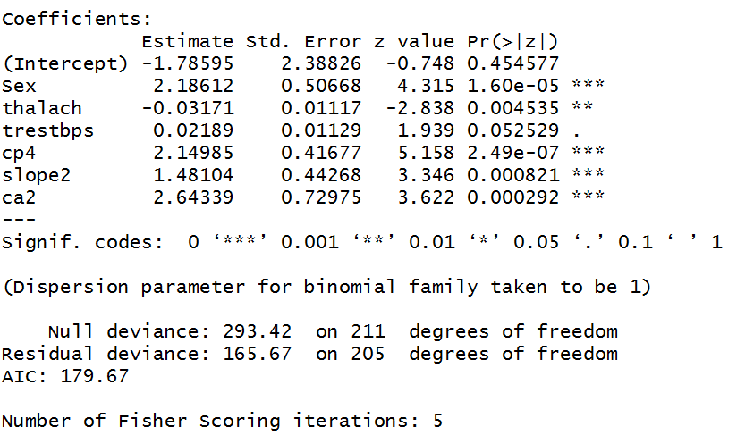
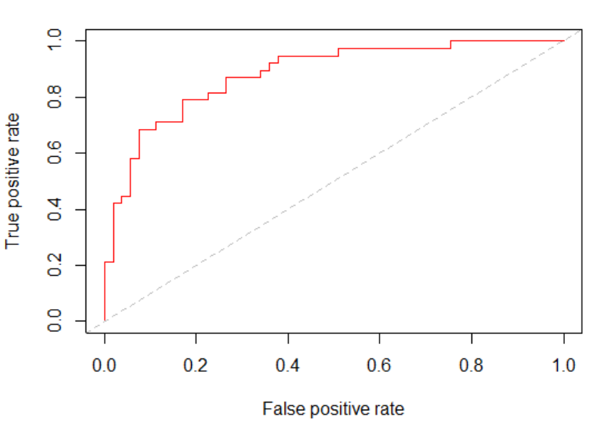

The ROCR Curve helps us to :
1)Validate the model - high AUC means good model
2)Helps us choose the optimal cut-off point

Decision Trees
Best Model Equation

Decision Tree Chart

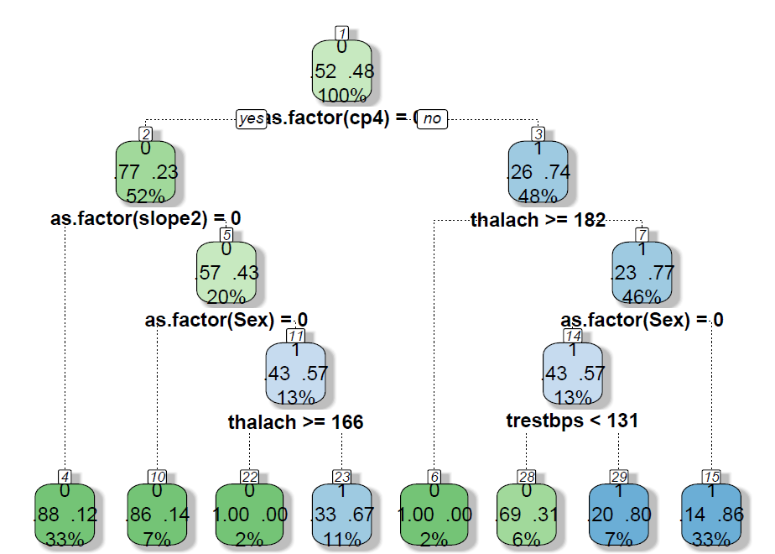

Model Performance
Auc values are not as good as logistic regression output

Intepretation of Rules
 | Interpretation of Rules

1) | 52% of patients suffering from heart disease can be explained by the variable rule
 | cp4=0
2) | 33% patients suffering from heart disease have cp4=0 and slope2=0
3) | 33% patients not suffering from heart disease have cp4=1,thalach<=182,Sex=1

